Sheet1
 |  | Document No. | Issue No. | Issue Date |  |  | Review and Replace Date |  | Authorised By
 |  | GFF238MC | 3 | 06.11.2020 |  |  | 23.12.2021 |  | Magda Shah
 |  | Document Title | 5 Vegetable Samosa 200g

Document amendments reason for change |  | Shelf life updated |  | Page 1 of 1 |  | Previous Issue Date |  | 22.02.2021 | Uncontrolled copy unless signed original

CVSA1C-R6T | GAZEBO |  | 5 Vegetable Samosa 200g

 |  |  |  |  | 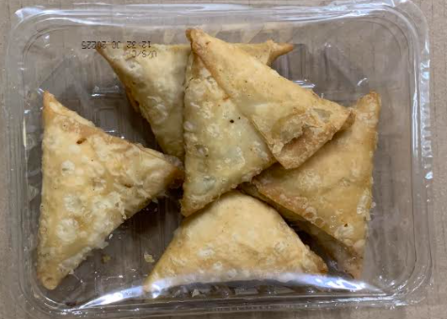

Tray: SK4 Plain Clear (PKESS001-07) |  |  |  |  | Vegetable Samosa (GFF003R) 40g: 5 pieces
Film: ME300AFV2, 300mmx 1000m (PKPRO001-16) |  |  |  |  | Total Weight: 200g
ALLERGY ALERT: WHEAT

